Littletown
Littletown Fire Department Shortest Path Problem

 | From | To | On Route | Distance | Nodes | Net Flow |  | Supply/Demand | Range Name | Cells
 | Fire St. | A | 0 | 3 | Fire St. | 0 | = | 1 | Distance | F4:F27
 | Fire St. | B | 0 | 6 | A | 0 | = | 0 | From | B4:B27
 | Fire St. | C | 0 | 4 | B | 0 | = | 0 | NetFlow | I4:I13
 | A | B | 0 | 1 | C | 0 | = | 0 | Nodes | H4:H13
 | A | D | 0 | 6 | D | 0 | = | 0 | OnRoute | D4:D27
 | B | A | 0 | 1 | E | 0 | = | 0 | SupplyDemand | K4:K13
 | B | C | 0 | 2 | F | 0 | = | 0 | To | C4:C27
 | B | D | 0 | 4 | G | 0 | = | 0 | TotalDistance | D29
 | B | E | 0 | 5 | H | 0 | = | 0
 | C | B | 0 | 2 | Farm Com. | 0 | = | -1
 | C | E | 0 | 7
 | D | E | 0 | 3
 | D | F | 0 | 8
 | E | D | 0 | 3
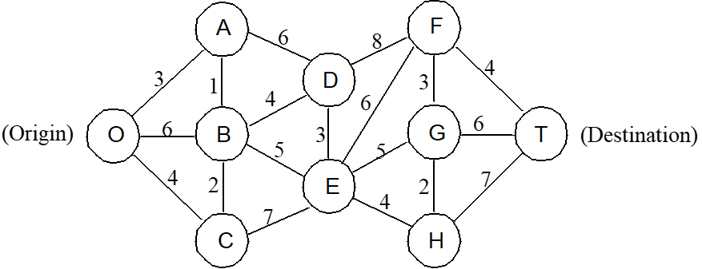
 | E | F | 0 | 6
 | E | G | 0 | 5
 | E | H | 0 | 4
 | F | G | 0 | 3
 | F | Farm Com. | 0 | 4
 | G | F | 0 | 3
 | G | H | 0 | 2
 | G | Farm Com. | 0 | 6
 | H | G | 0 | 2
 | H | Farm Com. | 0 | 7

 |  | Total Distance | 0

