Cell Phone
Breakeven
Cell Phone Case Review

 |  | Data |  | Results | Range Name | Cell | Step 4. Graph Points
 | Unit Revenue | $5 | Total Revenue | $5,000 | BreakEvenPoint | F9 | Production Qty | Revenue | Cost
 | Fixed Cost | $3,000 | Total Fixed Cost | $3,000 | FixedCost | C5 | 200 | $1,000 | $3,400
 | Marginal Cost | $2 | Total Variable Cost | $2,000 | MarginalCost | C6 | 400 | $2,000 | $3,800
 | Sales Forecast |  | Profit (Loss) | $0.00 | ProductionQuantity | C9 | 600 | $3,000 | $4,200
 |  |  |  |  | Profit | F7 | 800 | $4,000 | $4,600
 | Production Quantity | 1000 | Break-Even Point | 1,000 | SalesForecast | C7 | 1000 | $5,000 | $5,000
 |  |  |  |  | TotalFixedCost | F5 | 1200 | $6,000 | $5,400
 |  |  |  |  | TotalRevenue | F4 | 1400 | $7,000 | $5,800
 |  |  |  |  | TotalVariableCost | F6 | 1600 | $8,000 | $6,200
 |  |  |  |  | Unit_Revenue | C4
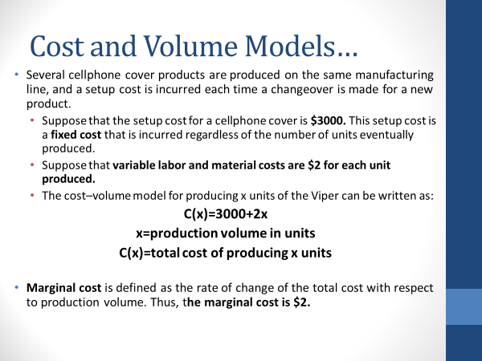
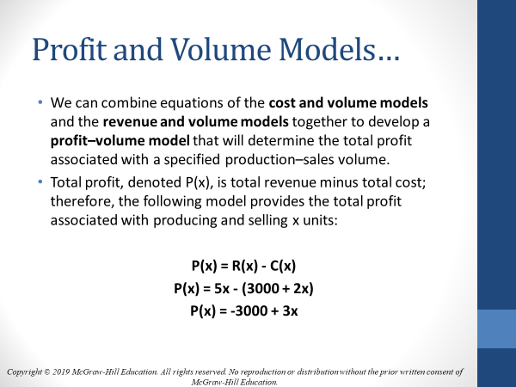
 | Cost and Volume Model…
 | C(x)=3000+2x

Breakeven
 | Revenue and Volume Model…
 | R(x)=5x

 | Profit and Volume Models…
 | P(x) = 5x - (3000 + 2x)
 | P(x) = -3000 + 3x

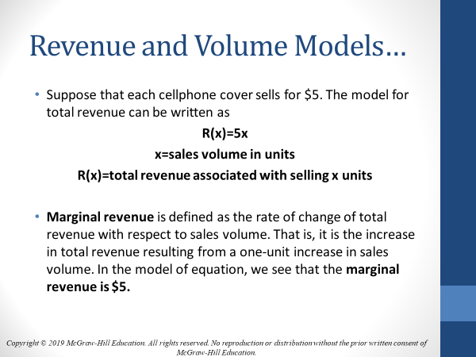
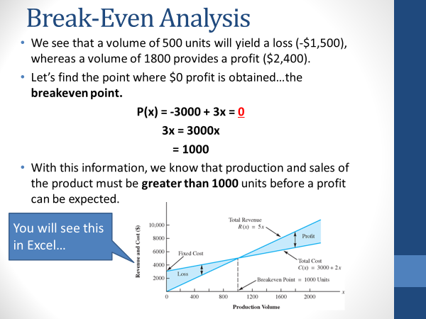
 | Break-Even Analysis
 | P(x) = -3000 + 3x = 0
 | 3x = 3000x
 | 1000

 | Break-Even Point
 | BE Point = Fixed Cost / (Unit_Revenue-MarginalCost)
 | BE Point = $3000 / ($5 - $2)
 | BE Point = 1000 Units

1. Breakeven Example
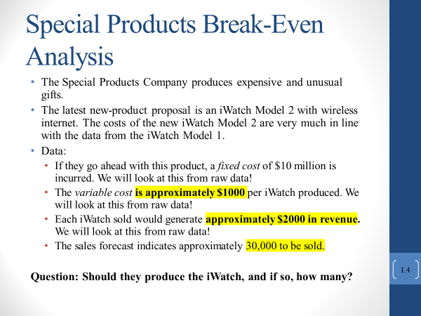
Break-Even Analysis

 |  | Data |  | Results
 | Unit Revenue | $2,000 | Total Revenue | $20,000,000 | Total Revenue=UnitRevenue*MIN(SalesForecast,ProductionQuantity)
 | Fixed Cost | $10,000,000 | Total Fixed Cost | $10,000,000 | Total Fixed Cost = IF(ProductionQuantity>0,FixedCost,0)
 | Marginal Cost | $1,000 | Total Variable Cost | $10,000,000 | Total Variable Cost = MarginalCost*ProductionQuantity
 | Sales Forecast |  | Profit (Loss) | $0.00 | Profit (loss) = TotalRevenue-(TotalFixedCost+TotalVariableCost) |  |  | Step 3.Verify Break Even

 | Production Quantity | 10000 | Break-Even Point | 10,000 | Break-Even Point = FixedCost/(UnitRevenue-MarginalCost) |  |  | Step 2. Objective Function

 |  |  |  |  | Step 4. Graph Points
 | Step 1. Primary Variables: |  | Range Name | Cell | Production Qty | Revenue | Cost
 |  |  | BreakEvenPoint | F9 | 4000 | $8,000,000 | $14,000,000
 |  |  | FixedCost | C5 | 6000 | $12,000,000 | $16,000,000
 |  |  | MarginalCost | C6 | 8000 | $16,000,000 | $18,000,000
 |  |  | ProductionQuantity | C9 | 10000 | $20,000,000 | $20,000,000
 |  |  | Profit | F7 | 12000 | $24,000,000 | $22,000,000
 |  |  | SalesForecast | C7 | 14000 | $28,000,000 | $24,000,000
 |  |  | TotalFixedCost | F5
Break-Even Analysis
 |  |  | TotalRevenue | F4
 |  |  | TotalVariableCost | F6
 |  |  | UnitRevenue | C4

3. Breakeven Using Raw Data
Break-Even Analysis

 |  | Data |  | Results
 | Unit Revenue | $1,984.53 | Total Revenue | $21,004,266 | Total Revenue=UnitRevenue*MIN(SalesForecast,ProductionQuantity)
 | Fixed Cost | $10,000,000 | Total Fixed Cost | $10,000,000 | Total Fixed Cost = IF(ProductionQuantity>0,FixedCost,0)
 | Marginal Cost | $1,039.70 | Total Variable Cost | $11,004,185 | Total Variable Cost = MarginalCost*ProductionQuantity
 | Sales Forecast |  | Profit (Loss) | $80.72 | Profit (loss) = TotalRevenue-(TotalFixedCost+TotalVariableCost) |  |  | Step 3.Verify Break Even

 | Production Quantity | 10,584.00 | Break-Even Point | 10,583.91 | Break-Even Point = FixedCost/(UnitRevenue-MarginalCost) |  |  | Step 2. Objective Function

 |  |  |  |  | Step 4. Graph Points
 | Step 1. Primary Variables: |  | Range Name | Cell | Production Qty | Revenue | Cost
 |  |  | BreakEvenPoint | F9 | 2000 | $3,969,060 | $12,079,400
 |  |  | FixedCost | C5 | 4000 | $7,938,120 | $14,158,800
 |  |  | MarginalCost | C6 | 6000 | $11,907,180 | $16,238,200
 |  |  | ProductionQuantity | C9 | 8000 | $15,876,240 | $18,317,600
 |  |  | Profit | F7 | 10000 | $19,845,300 | $20,397,000
 |  |  | SalesForecast | C7 | 12000 | $23,814,360 | $22,476,400
 |  |  | TotalFixedCost | F5
Break-Even Analysis
 |  |  | TotalRevenue | F4
 |  |  | TotalVariableCost | F6
 |  |  | UnitRevenue | C4

4. MakeBuyExample
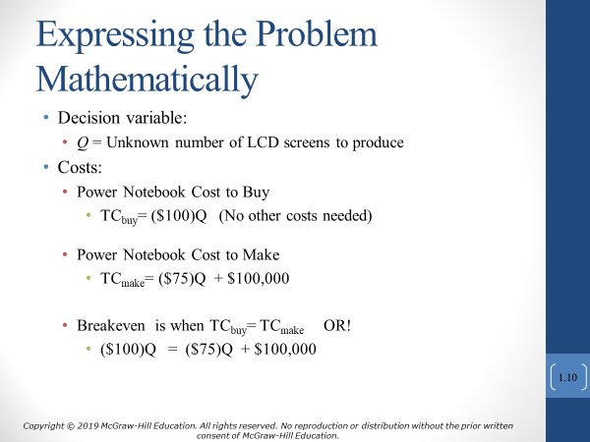
 | contract |  | in house | Step 1. Primary Variables:
Fixed Cost | $20,000 |  | $100,000 | Range Name | Cell
Unit Cost | $100 |  | $75 | ManufactureFixedCost | D2 |  | Step 2. Objective Function
Total Cost | $340,000 |  | $340,000 | ManufactureTotalCost | D4 |  | Manufactured Total Cost = ManufactureFixedCost+ManufactureUnitCost*Q
 |  |  |  | ManufactureUnitCost | D3
 | LCD Screens Needed (Q) | 3,200 | $0 | PurchaseFixedCost | B2 |  | Step 2. Objective Function
 |  |  |  | PurchaseTotalCost | B4 |  | Purchased Total Cost = =PurchaseFixedCost+PurchaseUnitCost*Q
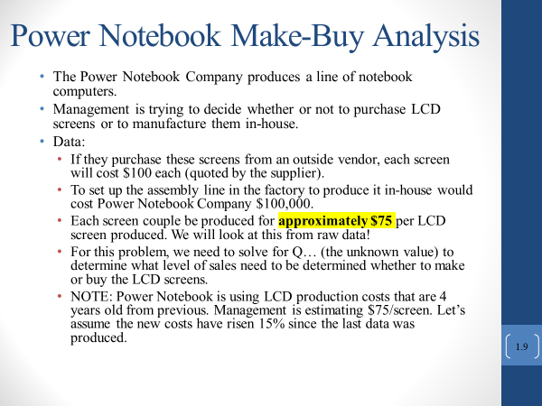
 |  |  |  | PurchaseUnitCost | B3
 |  |  |  | Q | C6

 |  |  |  |  |  | Step 4. Graph Points
 |  |  |  |  |  | Production Qty | Manufacture Cost | Purchase Cost
 |  |  |  |  |  | 2800 | 310000 | 300000
 |  |  |  |  |  | 2900 | 317500 | 310000
 |  |  |  |  |  | 3000 | 325000 | 320000
 |  |  |  |  |  | 3100 | 332500 | 330000
 |  |  |  |  |  | 3200 | 340000 | 340000
 |  |  |  |  |  | 3300 | 347500 | 350000
 |  |  |  |  |  | 3400 | 355000 | 360000
 |  |  |  |  |  | 3500 | 362500 | 370000
 |  |  |  |  |  | 3600 | 370000 | 380000

Manufacture vs. Buy Analysis

6. MakeBuy using Raw Data
 | Purchase |  | Manufacture In-House | Step 1. Primary Variables:
Fixed Cost | $0 |  | $100,000 | Range Name | Cell
Unit Cost | $100 |  | $75.01 | ManufactureFixedCost | D2 |  | Step 2. Objective Function
Total Cost | $400,200 |  | $400,190 | ManufactureTotalCost | D4 |  | Manufactured Total Cost = ManufactureFixedCost+ManufactureUnitCost*Q
 |  |  |  | ManufactureUnitCost | D3
 | LCD Screens Needed (Q) | 4,002 | $10 | PurchaseFixedCost | B2 |  | Step 2. Objective Function
 |  |  |  | PurchaseTotalCost | B4 |  | Purchased Total Cost = =PurchaseFixedCost+PurchaseUnitCost*Q
 |  |  |  | PurchaseUnitCost | B3
 |  |  |  | Q | C6

Make or Buy
 |  |  |  |  |  | Step 4. Graph Points
 |  |  |  |  |  | Production Qty | Manufacture Cost | Purchase Cost
 |  |  |  |  |  | 1000 | 175000 | 100000
 |  |  |  |  |  | 2000 | 250000 | 200000
 |  |  |  |  |  | 3000 | 325000 | 300000
 |  |  |  |  |  | 4000 | 400000 | 400000
 |  |  |  |  |  | 5000 | 475000 | 500000
 |  |  |  |  |  | 6000 | 550000 | 600000
 |  |  |  |  |  | 7000 | 625000 | 700000
 |  |  |  |  |  | 8000 | 700000 | 800000
 |  |  |  |  |  | 9000 | 775000 | 900000
 |  |  |  |  |  | 10000 | 850000 | 1000000

