5. Goferbroke (Sensitivity)
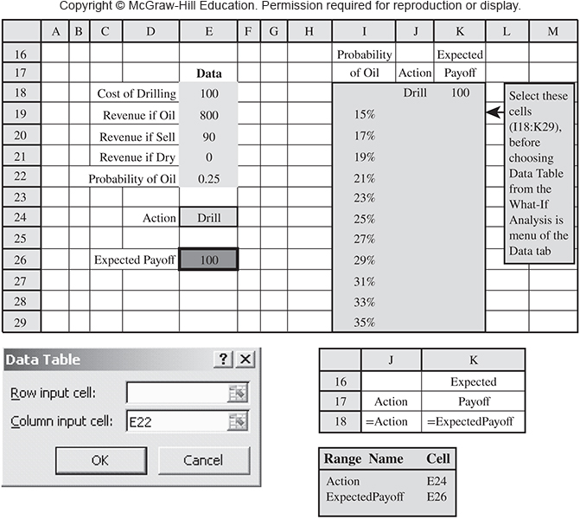
 |  |  |  | 15%
 |  |  |  | Oil
 |  |  |  |  |  | 700 |  | Range Name | Cell
 |  | Drill |  | 800 | 700 |  |  | Action | E24
 |  |  |  |  |  |  |  | CostOfDrilling | E18
 |  | -100 | 20 | 85% |  |  |  | ExpectedPayoff | E26
 |  |  |  | Dry |  |  |  | ProbabilityOfOil | E22
 |  |  |  |  |  | -100 |  | RevenueIfDry | E21
 | 2 |  |  | 0 | -100 |  |  | RevenueIfOil | E19
90 |  |  |  |  |  |  |  | RevenueIfSell | E20

 |  | Sell
 |  |  |  |  |  | 90
 |  | 90 | 90

 |  |  |  |  |  |  | Probability |  | Expected
 |  |  | Data |  |  |  | of Oil | Action | Payoff
 |  | Cost of Drilling | 100 |  |  |  |  | Sell | 90
 |  | Revenue if Oil | 800 |  |  |  | 15% | Sell | 90
 |  | Revenue if Sell | 90 |  |  |  | 17% | Sell | 90
 |  | Revenue if Dry | 0 |  |  |  | 19% | Sell | 90
 |  | Probability of Oil | 15% |  |  |  | 21% | Sell | 90
 |  |  |  |  |  |  | 23% | Sell | 90
 |  | Action | Sell |  |  |  | 25% | Drill | 100
 |  |  |  |  |  |  | 27% | Drill | 116
 |  | Expected Payoff | 90 |  |  |  | 29% | Drill | 132
 |  |  |  |  |  |  | 31% | Drill | 148
 |  |  |  |  |  |  | 33% | Drill | 164
 |  |  |  |  |  |  | 35% | Drill | 180

